1. Title Page
Project Name: Grocery Basket Analysis
Date: 29th June 2023
Analyst Name: Dan Franklin

Contents:
Population Flow
Consistency checks
Wrangling steps
Column derivations
Visualizations
Recommendations

Data Citation:
Customer data, as well as the "prices" data, were both fabricated for the purpose of this project.
"The Instacart Online Grocery Shopping Dataset 2017", Accessed from http://www.instacart.com/datasets/grocery-shopping-2017.

2. Population Flow
Title page

Population flow

Exclusion flag
Condition: max_order < 5
Obervations to be removed: 431,697
Final total count of order_products_all: 31,973,162

Orders_products_combined
Orders_products_merged
Orders_products_all

Total: 32,404,859
Total: 32,434,489
Total: 32,404,859

1.) The grey boxes in the first row of the population flow represent the original data sets as they were when you downloaded them. In the Total fields you need to add the count of the rows when you imported the data set into Jupyter.
2.) The second row of boxes (coloured) represents the data sets after you manipulated them, e.g., removed missing values and duplicates. In the Total fields you need to add the count of the rows after conducting these operations. This offers a visual oveview of how the data flows throughout the data consistency checks.
3.) The third row, where also the arrows are coloured, represents the merges you performed between the datasets. In the Total fields you need to add the count of the rows in the merged datasets, so that you end up with the final dataset (in the red box). Keep in mind the final dataset should be without exclusions (based on the exclusion flag).

3. Consistency checks
 |  |  |  | Title page
Consistency checks

Dataset | Missing values | Missing values treatment | Duplicates
orders | 206,209 | These were left in as they represent first-time orders | 0
products | 16 | These were removed | 5
orders_products_prior | 0 | 0 | 0
customers | 0 | 0 | 0

4. Wrangling steps
 |  |  |  | Title page
Wrangling steps

Columns dropped | Columns renamed | Columns' type changed | Comment/Reason
eval_set |  |  | no relevant data
unnamed_0.1 |  |  | no relevant data
unnamed_0 |  |  | no relevant data
first_name |  |  | data protection
surname |  |  | data protection
 | days_since_prior_order to days_since_last_order |  | easier to understand
 |  | changed user_id to object format | because it’s a string
 | orders_dow to orders_day_of_the_week |  | easier to understand
 | n_dependants to no._of_dependants |  | easier to understand
 |  | 'product_id'].astype('int32') | performance enhancement
 |  | 'reordered'].astype('int8') | performance enhancement
 |  | 'add_to_cart_order'].astype('int32') | performance enhancement
 |  | 'order_id'].astype('int32' | performance enhancement
 |  | 'order_number'].astype('int8') | performance enhancement
 |  | 'orders_day_of_week'].astype('int8') | performance enhancement
 |  | 'days_since_last_order'].astype('float1 | performance enhancement
 |  | 'aisle_id'].astype('int8') | performance enhancement
 |  | 'department_id'].astype('int8') | performance enhancement
 |  | 'prices'].astype('float16') | performance enhancement
 |  | 'product_id'].astype('int32') | performance enhancement
 |  | 'department_id'].astype('int8') | performance enhancement
 |  | 'order_hour_of_day'].astype('int8') | performance enhancement

5. Column derivations
 |  |  |  |  | Title page

Column derivations and aggregations

Dataset | New column | Column/s it was derived from | Conditions | Frequency
orders_products_merged | "price_range_loc" | "prices" | prices <= 5: "Low-range product" | 243550
 |  |  | 5 < prices <= 15: "Mid-range product" | 756450
 |  |  | prices > 15: "High-range product" | 0
orders_products_merged | "busiest_day" | "orders_day_of_week" | if value ==0 busiest | 6204182
 |  |  | if value ==4 least busy | 3783802
 |  |  | else regularly busy | 22416875
orders_products_merged | "busiest_days" | "orders_day_of_week" | if value == 0 or value == 1: busiest days | 11864412
 |  |  | elif value == 3 or value == 4: slowest days | 7624336
 |  |  | else regularly busy | 12916111
orders_products_merged | "busiest period of day" | "order_hour_of_day" | if ordered at hour 10, 11, 14, 15, 13, 12, 16, 9 | 21118071
 |  |  | 3, 4, 2, 5, 1, 0, 6, 23 | 1289137
 |  |  | else | 9997651
orders_products_merged | "loyalty_flag" | "max_order" | max_order > 40: "Loyal customer" | 10284093
 |  |  | 10 < max_order <= 40: "Regular customer" | 15876776
 |  |  | max_order <= 10: "New customer" | 6243990
orders_products_merged | "spending_flag" | "avg_price_order" | avg_price_order < 10: "Low spender" | 31770873
 |  |  | avg_price_order >= 10: "High spender" | 574642
orders_products_merged | "frequency_flag" | "median_last_order" | median > 20: "Non-frequent customer" | 3636437
 |  |  | 10 < median <= 20: "Regular customer" | 7208564
 |  |  | median <= 10: "Frequent customer" | 21559853
df_final | "Region" | "State" | south | 3236318
 |  |  | west | 2487728
 |  |  | midwest | 2280386
 |  |  | northeast | 1716666
df_final | "activity_flag" | "max_order" | max_order < 5: "Less active customer" | 431697
 |  |  | max_order >= 5: "Highly active customer" | 9289401
df_final | "age_flag" | "age" | > 65 senior | 2427987
 |  |  | 40 - 65 middle aged | 3792436
 |  |  | < 40 young adult | 2427987
df_final | "income_flag" | "income" | >100k High income | 4144963
 |  |  | 50k - 100k middle income | 2108471
 |  |  | <50k low income | 944231
df_final | "dependants_flag | "no._of_dependants" | < 1 dependant: "Single" | 2247477
 |  |  | > 1 dependant: "Family" | 6752523

6. Visualizations
 |  |  |  |  |  |  | Title page

Visualisations

In this tab you should include all the visualtions from Exercises 4.9 and 4.10, alongside the questions from the project brief that they answer. Include any commentary on the relationship between different variables.

1. What are the busiest days of the week and busiest hours of the day??



 |  |  |  | This bar plot shows the number of orders per day of the week(x-axis).
 |  |  |  | 0=Saturday
 |  |  |  | 1=Sunday
 |  |  |  | 2=Monday
 |  |  |  | 3=Tuesday
 |  |  |  | 4=Wednesday
 |  |  |  | 5=Thrusday
 |  |  |  | 6=Friday
 |  |  |  | It is clear that Saturday and Sunday, followed by Friday are the busiest days of the week.
 |  |  |  | The quietest days are Wednesday and Tuesday.



 |  |  |  | This histogram plot shows the number of orders per hour of the day (x-axis).
 |  |  |  | The busiest time of the day is from 9am til 5pm.
 |  |  |  | The quietest time is between midnight and 7am.

2. Are there particular times of the day when people spend the most money?

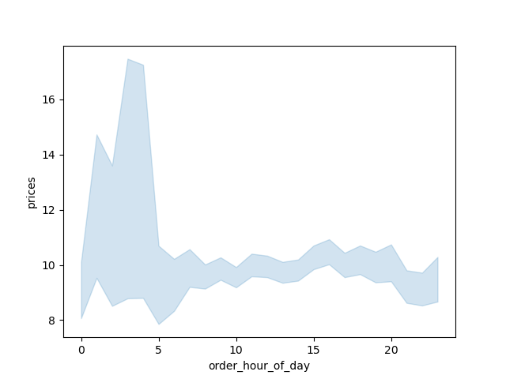

 |  |  |  |  | This line plot chart shows the average price of items ordered by order hour of the day.
 |  |  |  |  | It seems people spend more between 3am and 5am.

3. Instacart has a lot of products with different price tags. Marketing and sales want to use simpler price range groupings to help direct their efforts.

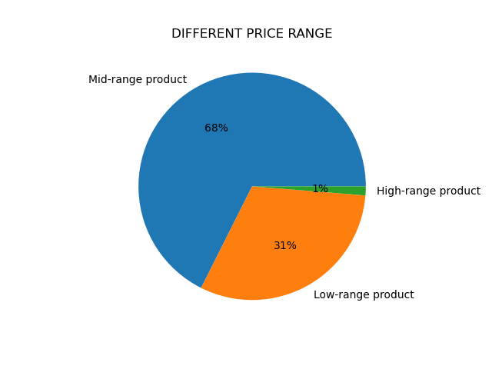

 |  |  |  |  | The majority of products fall in to the mid-range price category. Only 1% of products are in the high-range category.

4. Are there certain type of products that are popular than others?

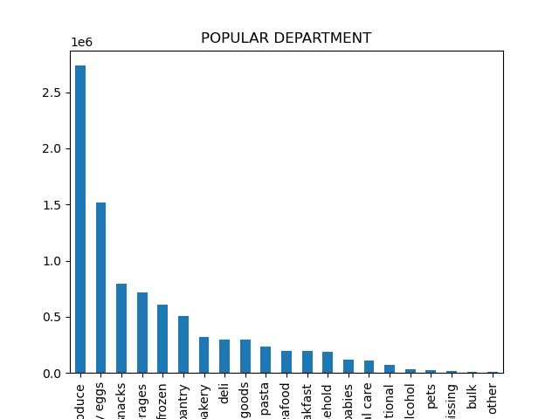
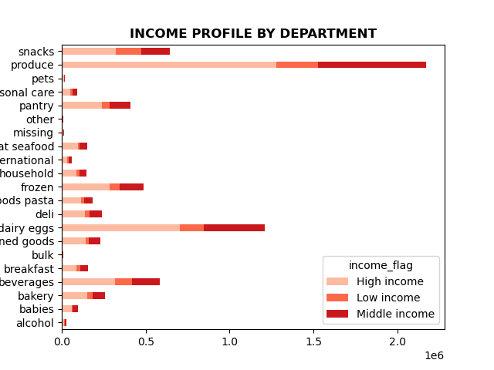
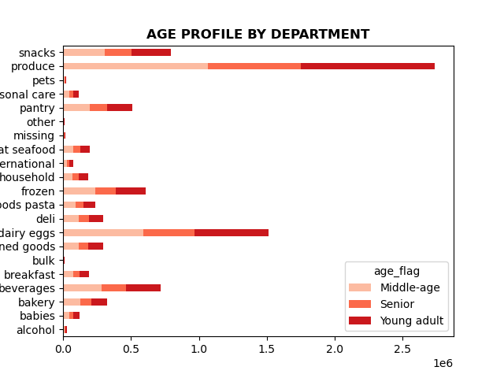

 |  |  | The most popular departments are produce, dairy, and snacks across all income groups and ages.

5.a What’s the distribution among users in regards to their brand loyalty (i.e., how often do they return to Instacart)?



 |  |  |  |  |  | If max_order is <=40 & >10 then they are a Regular customer
 |  |  |  |  |  | If max_order>40 then they are a Loyal customer
 |  |  |  |  |  | If max_order<=10 then New customer
 |  |  |  |  |  | Regular customers make up the largest group of Instacart customers.

Regular Customer Loyal Customer New Customer

5.b Are there differences in ordering habits based on a customer’s loyalty status?

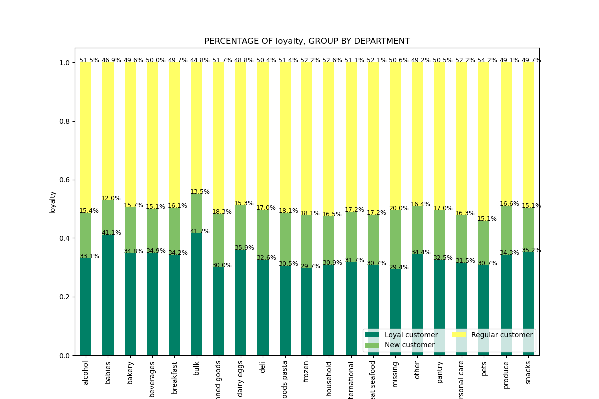

 |  |  |  |  |  |  | This chart shows the ordering habits according to customer loyalty.
 |  |  |  |  |  |  | The ordering habits are rather consistent no matter the level of customer loyalty. It seems loyal customers purchase more items in bulk compared to their other goods.

5.c Are there differences in ordering habits based on a customer’s region?

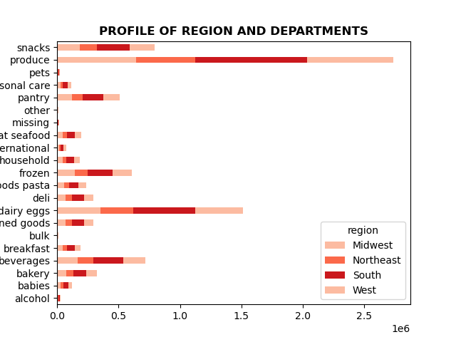

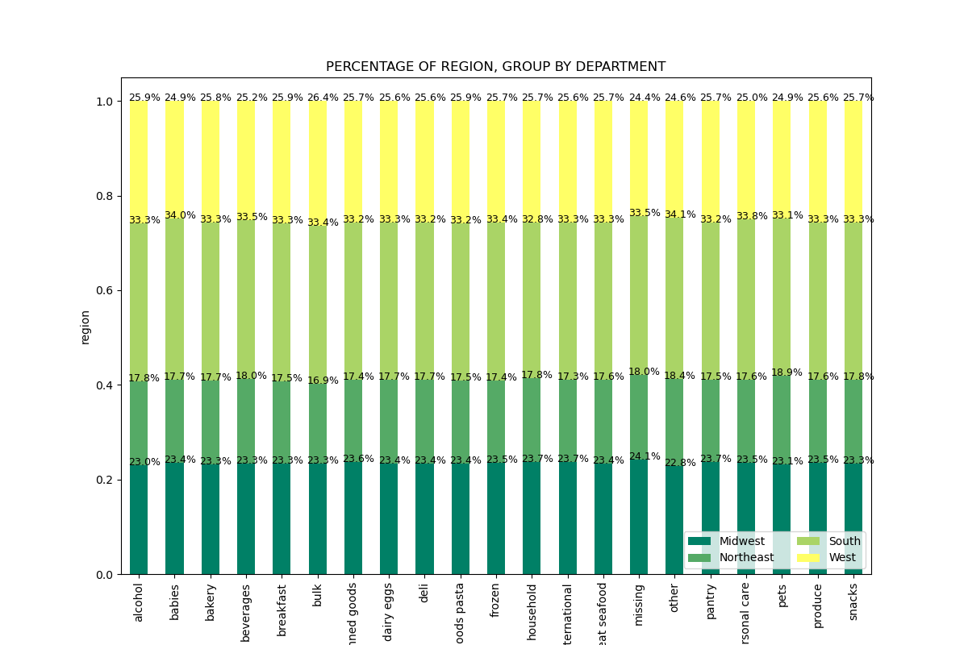

 | These charts show that produce, dairy, snacks, and beverages are the most widely
 | bought products overall. The ordering habits across the regions are rather consistents, with most
 | business coming from the south.

5.d Is there a connection between age and family status in terms of ordering habits?

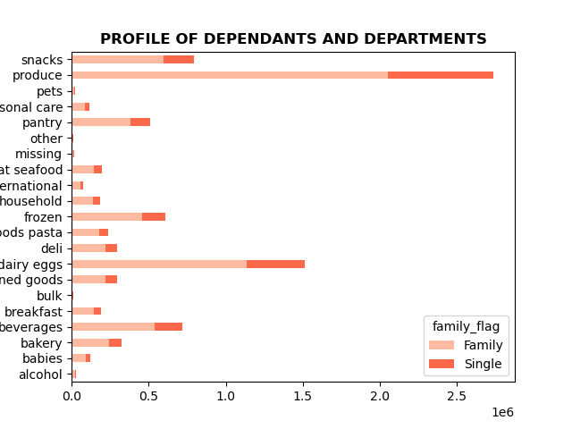
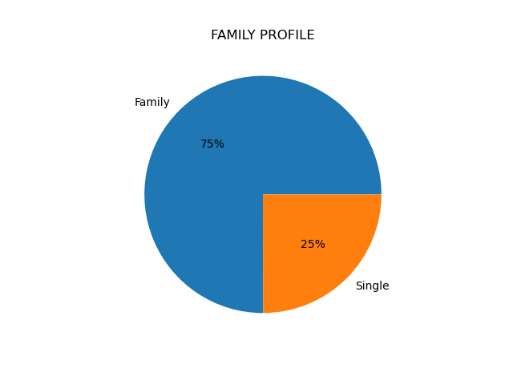

 |  | 75% of Instacart customers either have children or a dependant. The charts on the right show that the best selling categories overall remain the same, and as probably expected, those in the family category purchase more
 |  | in each department than those in single. In the babies department, the majority of purchases comes through young and middle aged adults.

5.e What different classifications does the demographic information suggest? Age? Income? Certain types of goods? Family status?

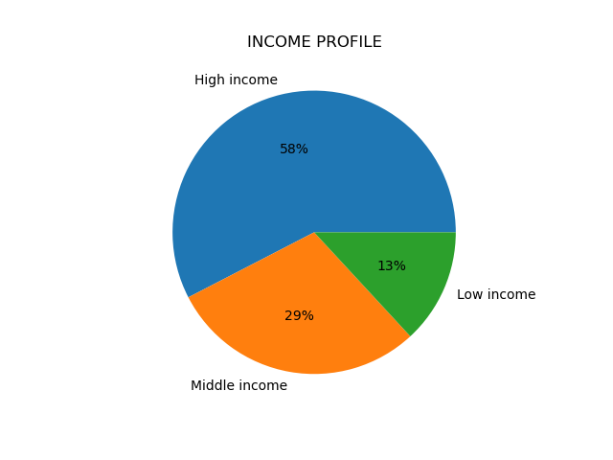

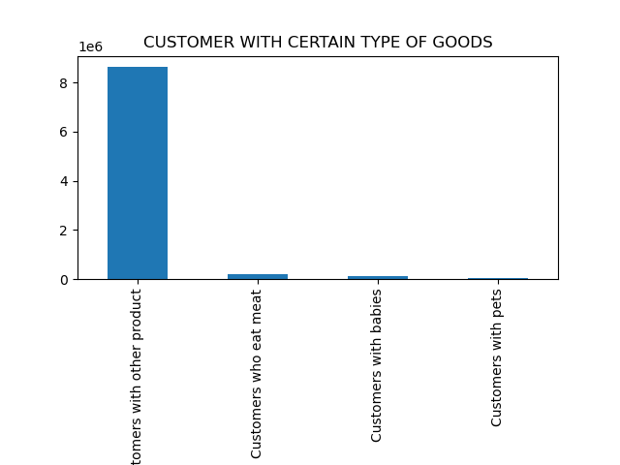
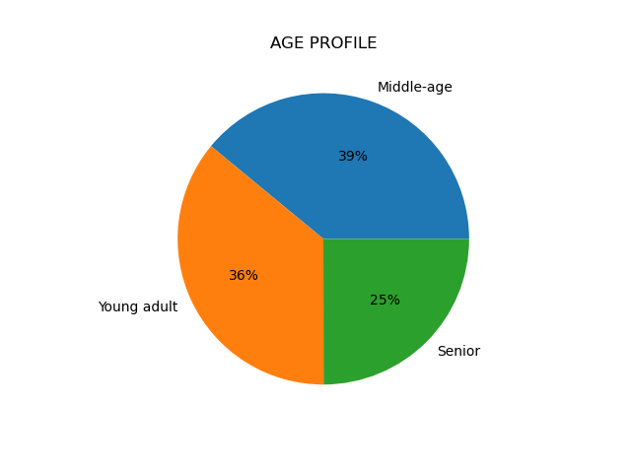

 | This pie chart shows that middle income customers represent |  |  | This shows that high income customers spend more per department than |  |  |  | This scatterplot shows the relationship between customer age and income.
 | the highest numer of customers with low income customers |  |  | those earning less by roughly the same proportion as the income profile |  |  |  | It shows that the majority of people earn under 200k. Very few 20-40 year olds |  | Very few customers who order only non veg food. |  | This pie chart shows that the majority of customers are aged under 65.
 | only making up 13% of the customer base. |  |  | share (58%). An exception is snacks, where they only make up 50%, suggesting |  |  |  | earn more than 200k, with none earning more that 400k per year. People older |  | Also not many customers only order products from the babies and pets
 |  |  |  | that those on lower incomes by more snacks. |  |  |  | than 40 start making over 200k, with some earning up to 600k. |  | departments. The majority of customers are those who order from
 |  |  |  |  |  |  |  | From this chart we can see that those over 40 have more spending power. |  | a mixture of departments.

5.f What differences can you find in ordering habits of different customer profiles?

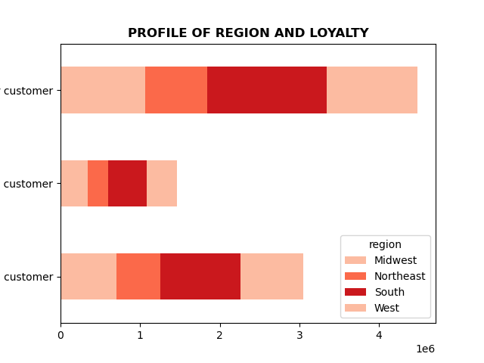

 | As mentioned above, those on lower and middle incomes tend to buy snacks more
 |  |  |  |  |  | Produce sells best across all age groups. |  |  | The most loyal customers are in the south.
 |  |  |  |  |  |  |  |  |  |  | Customers in the family group make up 75% of customers, but order more than 75% of snacks sold.
 |  |  |  |  |  |  |  |  |  |  | You see a similar result with breakfast items - suggesting they buy food more than one person.

7. Recommendations
 | Title page

Recommendations

1. What are the busiest days of the week and busiest hours of the day??
A:Saturday, Sunday and Friday are the busiest days of the week. The busiest time of the day is between 9am and 5pm.
Recommendations: They could try an advertising campaign for tv, youtube, radio, which advertises during the quieter days (mon - fri) and outside peak hours.

2. Are there particular times of the day when people spend the most money?
A: People seem to spend most money on items in the early morning.
Recommendations: Instacart could focus advertising high-end products during these early hours possibly targeting commuters and high-earners.

3. Instacart has a lot of products with different price tags. Marketing and sales want to use simpler price range groupings to help direct their efforts.
A: A: High range products are priced over $ 15. Mid-range products are between $ 15-$ 5. Low-range products are below $ 5.
Recommentations: These groupings are based just on purchase price. They could also group products by mark-up and attrivute values to them that way.

4. Are there certain type of products that are popular than others?
A: Produce,dairy, snacks, and beverages are the 4 most popular departments.
Recommendations: Instacart could attach promotions to these best selling items as they seem to be staples, which then encourage customers to buy less well selling items.

5.a What’s the distribution among users in regards to their brand loyalty (i.e., how often do they return to Instacart)?
A:Regular customers make 49% of all customers and new customers make 19% of all customers.
Regular customers are those that have placed between 11 and 40 orders.
Loyal customers have placed more than 40.
New customer have placed under 10 orders.
Recommendations: They can incentivise brand loyalty by introducing repeat customer bonus schemes, a points system for example.

5.b,c Are there differences in ordering habits based on a customer’s loyalty status and regions?
A: Regular and loyal customers make up the majority of instacart customers. The south has the most customers and repeat customers (regular and loyal). Across all regions and levels of loyalty, ordering habits are similar.
Recommendations: If advertising campaigns are the same across all regions, then Instacart should consider creating new campaigns for those regions which have less customers as perhaps different approaches will appeal to them more.

5.d Is there a connection between age and family status in terms of ordering habits?
A: Age doesn't seem to affect family status in terms of dependants, and ordering habits follow a similar pattern.
Recommendations: Those over 40 have more spending power so targeting advertising to this age group could help boost income.

5.e, f What different classifications does the demographic information suggest? Age? Income? Certain types of goods? Family status?
A: The majority of customers are middle aged, and high to middle income. They purchase produce, dairy, snacks, and beverages most, and are more likely to fall in to the family grouping rather than single.
Recommendations: Targeting young and middle aged adults as they have the most earning power and will do in the future will prove beneficial. Hopefully young customers will establish brand loyalty and use it when they have a family too.
So increasing sales in baby products for example could be built over time as customers age. Having a luxury range with higher priced items targeted at the hgih earners by advertising in the early morning perhaps as they are commuting could help encouage expenditure in this area. Promotions on seasonal produce could work well as it is already the best selling department.

